Report
 |  |  |  |  | Crystal Ball Report - Full
 |  |  |  |  | Simulation started on 10/12/2021 at 3:37 PM
 |  |  |  |  | Simulation stopped on 10/12/2021 at 3:38 PM

 | Run preferences:
 |  | Number of trials run |  | 50,000
 |  | Extreme speed
 |  | Monte Carlo
 |  | Random seed
 |  | Precision control on
 |  | Confidence level |  | 95.00%

 | Run statistics:
 |  | Total running time (sec) |  | 16.35
 |  | Trials/second (average) |  | 3,057
 |  | Random numbers per sec |  | 391,355

 | Crystal Ball data:
 |  | Assumptions |  | 128
 |  | Correlations |  | 36
 |  | Correlation matrices |  | 12
 |  | Decision variables |  | 0
 |  | Forecasts |  | 4

 |  |  |  |  | Forecasts

Worksheet: [simon.xlsx]Sheet1

Forecast: NPV Parent IRP |  |  |  |  |  |  | Cell: B102

 | Summary:
 |  | Certainty level is 57.226%
 |  | Certainty range is from $0 to ∞
 |  | Entire range is from ($7,012,021) to $7,067,324
 |  | Base case is $559,282
 |  | After 50,000 trials, the std. error of the mean is $11,546

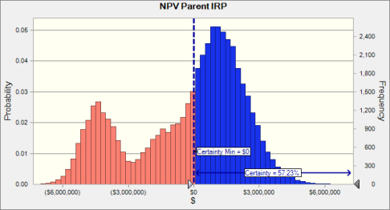

 | Statistics: |  |  | Forecast values
 |  | Trials |  | 50,000
 |  | Base Case |  | $559,282
 |  | Mean |  | ($294,362)
 |  | Median |  | $436,285
 |  | Mode |  | ---
 |  | Standard Deviation |  | $2,581,759
 |  | Variance |  | $6,665,478,702,000
 |  | Skewness |  | -0.5472
 |  | Kurtosis |  | 2.25
 |  | Coeff. of Variation |  | -8.77
 |  | Minimum |  | ($7,012,021)
 |  | Maximum |  | $7,067,324
 |  | Range Width |  | $14,079,345
 |  | Mean Std. Error |  | $11,546

Forecast: NPV Parent IRP (cont'd) |  |  |  |  |  |  | Cell: B102

 | Percentiles: |  |  | Forecast values
 |  | 0% |  | ($7,012,021)
 |  | 10% |  | ($4,460,748)
 |  | 20% |  | ($3,357,096)
 |  | 30% |  | ($1,348,715)
 |  | 40% |  | ($216,882)
 |  | 50% |  | $436,067
 |  | 60% |  | $922,847
 |  | 70% |  | $1,373,079
 |  | 80% |  | $1,868,048
 |  | 90% |  | $2,537,929
 |  | 100% |  | $7,067,324

Forecast: NPV Parent Random Walk |  |  |  |  |  |  | Cell: B101

 | Summary:
 |  | Certainty level is 71.596%
 |  | Certainty range is from $0 to ∞
 |  | Entire range is from ($6,643,048) to $10,571,598
 |  | Base case is $3,220,360
 |  | After 50,000 trials, the std. error of the mean is $15,831

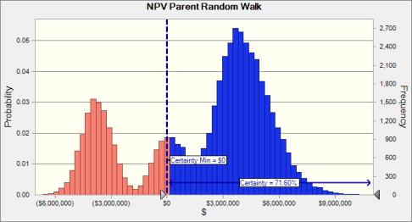

 | Statistics: |  |  | Forecast values
 |  | Trials |  | 50,000
 |  | Base Case |  | $3,220,360
 |  | Mean |  | $1,879,829
 |  | Median |  | $3,102,167
 |  | Mode |  | ---
 |  | Standard Deviation |  | $3,539,815
 |  | Variance |  | $12,530,290,942,861
 |  | Skewness |  | -0.5848
 |  | Kurtosis |  | 2.13
 |  | Coeff. of Variation |  | 1.88
 |  | Minimum |  | ($6,643,048)
 |  | Maximum |  | $10,571,598
 |  | Range Width |  | $17,214,646
 |  | Mean Std. Error |  | $15,831

Forecast: NPV Parent Random Walk (cont'd) |  |  |  |  |  |  | Cell: B101

 | Percentiles: |  |  | Forecast values
 |  | 0% |  | ($6,643,048)
 |  | 10% |  | ($3,885,339)
 |  | 20% |  | ($2,752,104)
 |  | 30% |  | $235,705
 |  | 40% |  | $2,252,379
 |  | 50% |  | $3,101,832
 |  | 60% |  | $3,672,036
 |  | 70% |  | $4,210,693
 |  | 80% |  | $4,819,591
 |  | 90% |  | $5,639,840
 |  | 100% |  | $10,571,598

Forecast: NPV Parent RPPP |  |  |  |  |  |  | Cell: B103

 | Summary:
 |  | Certainty level is 63.173%
 |  | Certainty range is from $0 to ∞
 |  | Entire range is from ($6,899,165) to $7,930,460
 |  | Base case is $1,176,700
 |  | After 50,000 trials, the std. error of the mean is $12,470

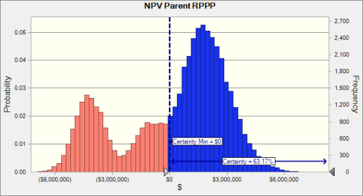

 | Statistics: |  |  | Forecast values
 |  | Trials |  | 50,000
 |  | Base Case |  | $1,176,700
 |  | Mean |  | $212,258
 |  | Median |  | $1,061,991
 |  | Mode |  | ---
 |  | Standard Deviation |  | $2,788,401
 |  | Variance |  | $7,775,179,001,256
 |  | Skewness |  | -0.5695
 |  | Kurtosis |  | 2.22
 |  | Coeff. of Variation |  | 13.14
 |  | Minimum |  | ($6,899,165)
 |  | Maximum |  | $7,930,460
 |  | Range Width |  | $14,829,626
 |  | Mean Std. Error |  | $12,470

Forecast: NPV Parent RPPP (cont'd) |  |  |  |  |  |  | Cell: B103

 | Percentiles: |  |  | Forecast values
 |  | 0% |  | ($6,899,165)
 |  | 10% |  | ($4,313,144)
 |  | 20% |  | ($3,198,890)
 |  | 30% |  | ($949,991)
 |  | 40% |  | $351,511
 |  | 50% |  | $1,061,983
 |  | 60% |  | $1,559,838
 |  | 70% |  | $2,030,382
 |  | 80% |  | $2,539,755
 |  | 90% |  | $3,227,706
 |  | 100% |  | $7,930,460

Forecast: NPV Project Perspective |  |  |  |  |  |  | Cell: B100

 | Summary:
 |  | Certainty level is 47.516%
 |  | Certainty range is from $0 to ∞
 |  | Entire range is from ($7,145,872) to $5,794,738
 |  | Base case is ($3,195)
 |  | After 50,000 trials, the std. error of the mean is $10,694

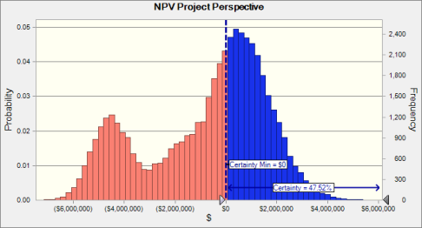

 | Statistics: |  |  | Forecast values
 |  | Trials |  | 50,000
 |  | Base Case |  | ($3,195)
 |  | Mean |  | ($761,634)
 |  | Median |  | ($122,316)
 |  | Mode |  | ---
 |  | Standard Deviation |  | $2,391,203
 |  | Variance |  | $5,717,851,882,941
 |  | Skewness |  | -0.5297
 |  | Kurtosis |  | 2.27
 |  | Coeff. of Variation |  | -3.14
 |  | Minimum |  | ($7,145,872)
 |  | Maximum |  | $5,794,738
 |  | Range Width |  | $12,940,610
 |  | Mean Std. Error |  | $10,694

Forecast: NPV Project Perspective (cont'd) |  |  |  |  |  |  | Cell: B100

 | Percentiles: |  |  | Forecast values
 |  | 0% |  | ($7,145,872)
 |  | 10% |  | ($4,600,588)
 |  | 20% |  | ($3,508,709)
 |  | 30% |  | ($1,735,153)
 |  | 40% |  | ($719,252)
 |  | 50% |  | ($122,323)
 |  | 60% |  | $339,536
 |  | 70% |  | $775,461
 |  | 80% |  | $1,244,651
 |  | 90% |  | $1,883,931
 |  | 100% |  | $5,794,738

End of Forecasts
 |  |  |  |  | Assumptions

Worksheet: [simon.xlsx]Sheet1

Assumption: 2022 Sales |  |  |  |  |  |  | Cell: C13

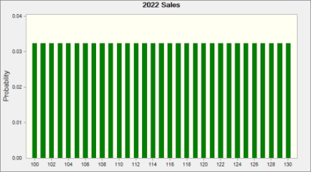
 | Discrete Uniform distribution with parameters:
 |  | Minimum |  | 100.00
 |  | Maximum |  | 130.00

Assumption: Boat Mold Price |  |  |  |  |  |  | Cell: B9

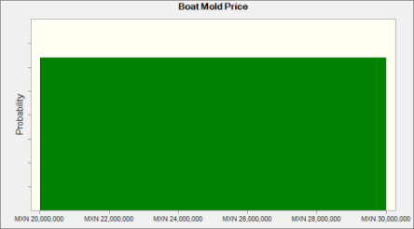
 | Uniform distribution with parameters:
 |  | Minimum |  | MXN 20,000,000
 |  | Maximum |  | MXN 30,000,000

Assumption: C14 |  |  |  |  |  |  | Cell: C14


 | Discrete Uniform distribution with parameters:
 |  | Minimum |  | 90.00
 |  | Maximum |  | 140.00

Assumption: C15 |  |  |  |  |  |  | Cell: C15


 | Discrete Uniform distribution with parameters:
 |  | Minimum |  | 100.00
 |  | Maximum |  | 150.00

Assumption: C16 |  |  |  |  |  |  | Cell: C16


 | Discrete Uniform distribution with parameters:
 |  | Minimum |  | 110.00
 |  | Maximum |  | 150.00

Assumption: C17 |  |  |  |  |  |  | Cell: C17

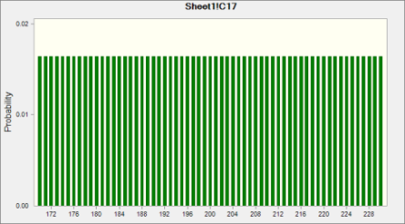
 | Discrete Uniform distribution with parameters:
 |  | Minimum |  | 170.00
 |  | Maximum |  | 230.00

Assumption: D14 |  |  |  |  |  |  | Cell: D14

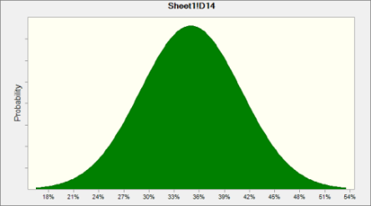
 | Normal distribution with parameters:
 |  | Mean |  | 35%
 |  | Std. Dev. |  | 6%

Assumption: D15 |  |  |  |  |  |  | Cell: D15


 | Normal distribution with parameters:
 |  | Mean |  | 38%
 |  | Std. Dev. |  | 7%

Assumption: D16 |  |  |  |  |  |  | Cell: D16


 | Normal distribution with parameters:
 |  | Mean |  | 42%
 |  | Std. Dev. |  | 5%

Assumption: D17 |  |  |  |  |  |  | Cell: D17


 | Normal distribution with parameters:
 |  | Mean |  | 37%
 |  | Std. Dev. |  | 3%

Assumption: D26 |  |  |  |  |  |  | Cell: D26

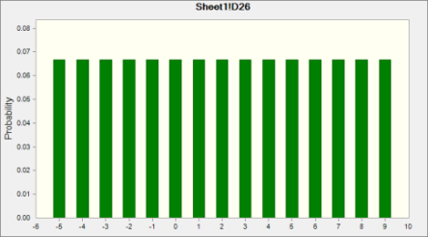
 | Discrete Uniform distribution with parameters:
 |  | Minimum |  | -5
 |  | Maximum |  | 9

Assumption: D27 |  |  |  |  |  |  | Cell: D27

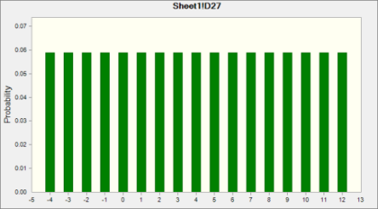
 | Discrete Uniform distribution with parameters:
 |  | Minimum |  | -4
 |  | Maximum |  | 12

Assumption: D28 |  |  |  |  |  |  | Cell: D28

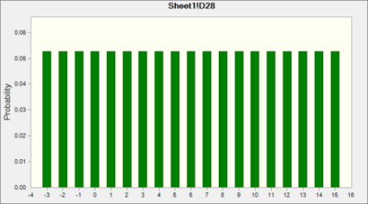
 | Discrete Uniform distribution with parameters:
 |  | Minimum |  | -3
 |  | Maximum |  | 15

Assumption: D29 |  |  |  |  |  |  | Cell: D29

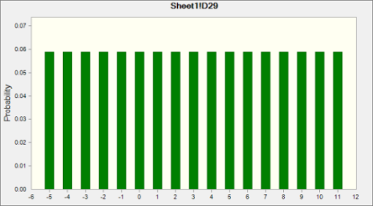
 | Discrete Uniform distribution with parameters:
 |  | Minimum |  | -5
 |  | Maximum |  | 11

Assumption: D30 |  |  |  |  |  |  | Cell: D30

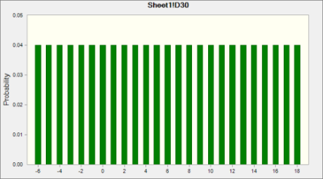
 | Discrete Uniform distribution with parameters:
 |  | Minimum |  | -6
 |  | Maximum |  | 18

Assumption: E26 |  |  |  |  |  |  | Cell: E26


 | Discrete Uniform distribution with parameters:
 |  | Minimum |  | -5
 |  | Maximum |  | 9

Assumption: E27 |  |  |  |  |  |  | Cell: E27


 | Discrete Uniform distribution with parameters:
 |  | Minimum |  | -4
 |  | Maximum |  | 12

Assumption: E28 |  |  |  |  |  |  | Cell: E28


 | Discrete Uniform distribution with parameters:
 |  | Minimum |  | -3
 |  | Maximum |  | 15

Assumption: E29 |  |  |  |  |  |  | Cell: E29


 | Discrete Uniform distribution with parameters:
 |  | Minimum |  | -5
 |  | Maximum |  | 11

Assumption: E30 |  |  |  |  |  |  | Cell: E30


 | Discrete Uniform distribution with parameters:
 |  | Minimum |  | -6
 |  | Maximum |  | 18

Assumption: Equipment Price |  |  |  |  |  |  | Cell: B10

 | Custom distribution with parameters:
 |  | Value | Probability
 |  | MXN 15,000,000 | 0.60
 |  | MXN 20,000,000 | 0.30
 |  | MXN 25,000,000 | 0.10

Assumption: F26 |  |  |  |  |  |  | Cell: F26


 | Discrete Uniform distribution with parameters:
 |  | Minimum |  | -5
 |  | Maximum |  | 9

Assumption: F27 |  |  |  |  |  |  | Cell: F27


 | Discrete Uniform distribution with parameters:
 |  | Minimum |  | -4
 |  | Maximum |  | 12

Assumption: F28 |  |  |  |  |  |  | Cell: F28


 | Discrete Uniform distribution with parameters:
 |  | Minimum |  | -3
 |  | Maximum |  | 15

Assumption: F29 |  |  |  |  |  |  | Cell: F29


 | Discrete Uniform distribution with parameters:
 |  | Minimum |  | -5
 |  | Maximum |  | 11

Assumption: F30 |  |  |  |  |  |  | Cell: F30


 | Discrete Uniform distribution with parameters:
 |  | Minimum |  | -6
 |  | Maximum |  | 18

Assumption: G26 |  |  |  |  |  |  | Cell: G26


 | Discrete Uniform distribution with parameters:
 |  | Minimum |  | -5
 |  | Maximum |  | 9

Assumption: G27 |  |  |  |  |  |  | Cell: G27


 | Discrete Uniform distribution with parameters:
 |  | Minimum |  | -4
 |  | Maximum |  | 12

Assumption: G28 |  |  |  |  |  |  | Cell: G28

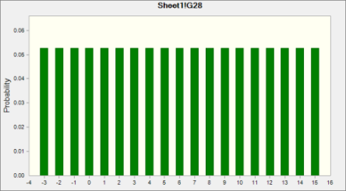
 | Discrete Uniform distribution with parameters:
 |  | Minimum |  | -3
 |  | Maximum |  | 15

Assumption: G29 |  |  |  |  |  |  | Cell: G29


 | Discrete Uniform distribution with parameters:
 |  | Minimum |  | -5
 |  | Maximum |  | 11

Assumption: G30 |  |  |  |  |  |  | Cell: G30


 | Discrete Uniform distribution with parameters:
 |  | Minimum |  | -6
 |  | Maximum |  | 18

Assumption: H26 |  |  |  |  |  |  | Cell: H26


 | Discrete Uniform distribution with parameters:
 |  | Minimum |  | -5
 |  | Maximum |  | 9

Assumption: H27 |  |  |  |  |  |  | Cell: H27


 | Discrete Uniform distribution with parameters:
 |  | Minimum |  | -4
 |  | Maximum |  | 12

Assumption: H28 |  |  |  |  |  |  | Cell: H28


 | Discrete Uniform distribution with parameters:
 |  | Minimum |  | -3
 |  | Maximum |  | 15

Assumption: H29 |  |  |  |  |  |  | Cell: H29


 | Discrete Uniform distribution with parameters:
 |  | Minimum |  | -5
 |  | Maximum |  | 11

Assumption: H30 |  |  |  |  |  |  | Cell: H30


 | Discrete Uniform distribution with parameters:
 |  | Minimum |  | -6
 |  | Maximum |  | 18

Assumption: I26 |  |  |  |  |  |  | Cell: I26


 | Discrete Uniform distribution with parameters:
 |  | Minimum |  | -5
 |  | Maximum |  | 9

Assumption: I27 |  |  |  |  |  |  | Cell: I27


 | Discrete Uniform distribution with parameters:
 |  | Minimum |  | -4
 |  | Maximum |  | 12

Assumption: I28 |  |  |  |  |  |  | Cell: I28


 | Discrete Uniform distribution with parameters:
 |  | Minimum |  | -3
 |  | Maximum |  | 15

Assumption: I29 |  |  |  |  |  |  | Cell: I29


 | Discrete Uniform distribution with parameters:
 |  | Minimum |  | -5
 |  | Maximum |  | 11

Assumption: I30 |  |  |  |  |  |  | Cell: I30


 | Discrete Uniform distribution with parameters:
 |  | Minimum |  | -6
 |  | Maximum |  | 18

Assumption: J26 |  |  |  |  |  |  | Cell: J26


 | Discrete Uniform distribution with parameters:
 |  | Minimum |  | -5
 |  | Maximum |  | 9

Assumption: J27 |  |  |  |  |  |  | Cell: J27


 | Discrete Uniform distribution with parameters:
 |  | Minimum |  | -4
 |  | Maximum |  | 12

Assumption: J28 |  |  |  |  |  |  | Cell: J28


 | Discrete Uniform distribution with parameters:
 |  | Minimum |  | -3
 |  | Maximum |  | 15

Assumption: J29 |  |  |  |  |  |  | Cell: J29


 | Discrete Uniform distribution with parameters:
 |  | Minimum |  | -5
 |  | Maximum |  | 11

Assumption: J30 |  |  |  |  |  |  | Cell: J30

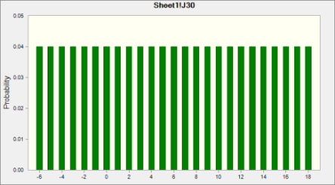
 | Discrete Uniform distribution with parameters:
 |  | Minimum |  | -6
 |  | Maximum |  | 18

Assumption: K26 |  |  |  |  |  |  | Cell: K26


 | Discrete Uniform distribution with parameters:
 |  | Minimum |  | -5
 |  | Maximum |  | 9

Assumption: K27 |  |  |  |  |  |  | Cell: K27


 | Discrete Uniform distribution with parameters:
 |  | Minimum |  | -4
 |  | Maximum |  | 12

Assumption: K28 |  |  |  |  |  |  | Cell: K28

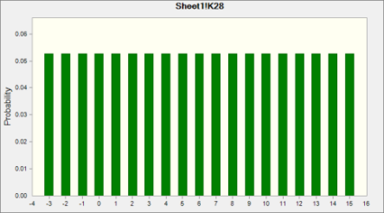
 | Discrete Uniform distribution with parameters:
 |  | Minimum |  | -3
 |  | Maximum |  | 15

Assumption: K29 |  |  |  |  |  |  | Cell: K29


 | Discrete Uniform distribution with parameters:
 |  | Minimum |  | -5
 |  | Maximum |  | 11

Assumption: K30 |  |  |  |  |  |  | Cell: K30


 | Discrete Uniform distribution with parameters:
 |  | Minimum |  | -6
 |  | Maximum |  | 18

Assumption: L26 |  |  |  |  |  |  | Cell: L26


 | Discrete Uniform distribution with parameters:
 |  | Minimum |  | -5
 |  | Maximum |  | 9

Assumption: L27 |  |  |  |  |  |  | Cell: L27


 | Discrete Uniform distribution with parameters:
 |  | Minimum |  | -4
 |  | Maximum |  | 12

Assumption: L28 |  |  |  |  |  |  | Cell: L28


 | Discrete Uniform distribution with parameters:
 |  | Minimum |  | -3
 |  | Maximum |  | 15

Assumption: L29 |  |  |  |  |  |  | Cell: L29


 | Discrete Uniform distribution with parameters:
 |  | Minimum |  | -5
 |  | Maximum |  | 11

Assumption: L30 |  |  |  |  |  |  | Cell: L30


 | Discrete Uniform distribution with parameters:
 |  | Minimum |  | -6
 |  | Maximum |  | 18

Assumption: M26 |  |  |  |  |  |  | Cell: M26


 | Discrete Uniform distribution with parameters:
 |  | Minimum |  | -5
 |  | Maximum |  | 9

Assumption: M27 |  |  |  |  |  |  | Cell: M27


 | Discrete Uniform distribution with parameters:
 |  | Minimum |  | -4
 |  | Maximum |  | 12

Assumption: M28 |  |  |  |  |  |  | Cell: M28


 | Discrete Uniform distribution with parameters:
 |  | Minimum |  | -3
 |  | Maximum |  | 15

Assumption: M29 |  |  |  |  |  |  | Cell: M29


 | Discrete Uniform distribution with parameters:
 |  | Minimum |  | -5
 |  | Maximum |  | 11

Assumption: M30 |  |  |  |  |  |  | Cell: M30


 | Discrete Uniform distribution with parameters:
 |  | Minimum |  | -6
 |  | Maximum |  | 18

Assumption: Manufacturing Facility Price |  |  |  |  |  |  | Cell: B8

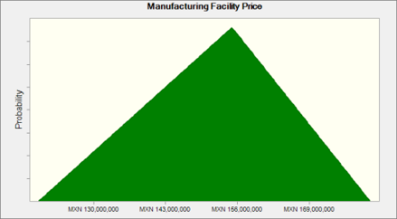
 | Triangular distribution with parameters:
 |  | Minimum |  | MXN 120,000,000
 |  | Likeliest |  | MXN 155,000,000
 |  | Maximum |  | MXN 180,000,000

Assumption: Mexican Expected Inflation 2022 |  |  |  |  |  |  | Cell: C25

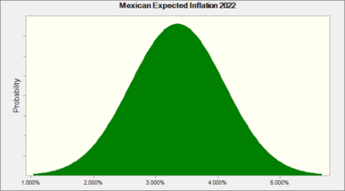
 | Normal distribution with parameters:
 |  | Mean |  | 3.350%
 |  | Std. Dev. |  | 0.750%

 | Correlated with: |  |  |  |  | Coefficient
 |  | Mexican Nominal Interest Rate 2022 (C23) |  |  |  | 0.75
 |  | US Expected Inflation 2022 (C24) |  |  |  | 0.42

Assumption: Mexican Expected Inflation 2023 |  |  |  |  |  |  | Cell: D25


 | Normal distribution with parameters:
 |  | Mean |  | 3.650%
 |  | Std. Dev. |  | 0.900%

Assumption: Mexican Expected Inflation 2023 (cont'd) |  |  |  |  |  |  | Cell: D25

 | Correlated with: |  |  |  |  | Coefficient
 |  | US Expected Inflation 2023 (D24) |  |  |  | 0.42
 |  | Mexican Nominal Interest Rate 2023 (D23) |  |  |  | 0.75

Assumption: Mexican Expected Inflation 2024 |  |  |  |  |  |  | Cell: E25


 | Normal distribution with parameters:
 |  | Mean |  | 3.950%
 |  | Std. Dev. |  | 1.050%

Assumption: Mexican Expected Inflation 2024 (F25) |  |  |  |  |  |  | Cell: F25


 | Normal distribution with parameters:
 |  | Mean |  | 3.950%
 |  | Std. Dev. |  | 1.050%

 | Correlated with: |  |  |  |  | Coefficient
 |  | Mexican Nominal Interest Rate 2025 (F23) |  |  |  | 0.75
 |  | US Expected Inflation 2025 (F24) |  |  |  | 0.42

Assumption: Mexican Expected Inflation 2024 (G25) |  |  |  |  |  |  | Cell: G25


 | Normal distribution with parameters:
 |  | Mean |  | 3.950%
 |  | Std. Dev. |  | 1.050%

Assumption: Mexican Expected Inflation 2024 (G25) (cont'd) |  |  |  |  |  |  | Cell: G25

 | Correlated with: |  |  |  |  | Coefficient
 |  | US Expected Inflation 2026 (G24) |  |  |  | 0.42
 |  | Mexican Nominal Interest Rate 2026 (G23) |  |  |  | 0.75

Assumption: Mexican Expected Inflation 2024 (H25) |  |  |  |  |  |  | Cell: H25


 | Normal distribution with parameters:
 |  | Mean |  | 3.950%
 |  | Std. Dev. |  | 1.050%

 | Correlated with: |  |  |  |  | Coefficient
 |  | Mexican Nominal Interest Rate 2027 (H23) |  |  |  | 0.75
 |  | US Expected Inflation 2027 (H24) |  |  |  | 0.42

Assumption: Mexican Expected Inflation 2024 (I25) |  |  |  |  |  |  | Cell: I25


 | Normal distribution with parameters:
 |  | Mean |  | 3.950%
 |  | Std. Dev. |  | 1.050%

 | Correlated with: |  |  |  |  | Coefficient
 |  | Mexican Nominal Interest Rate 2028 (I23) |  |  |  | 0.75
 |  | US Expected Inflation 2028 (I24) |  |  |  | 0.42

Assumption: Mexican Expected Inflation 2024 (J25) |  |  |  |  |  |  | Cell: J25


 | Normal distribution with parameters:
 |  | Mean |  | 3.950%
 |  | Std. Dev. |  | 1.050%

Assumption: Mexican Expected Inflation 2024 (J25) (cont'd) |  |  |  |  |  |  | Cell: J25

 | Correlated with: |  |  |  |  | Coefficient
 |  | US Expected Inflation 2029 (J24) |  |  |  | 0.42
 |  | Mexican Nominal Interest Rate 2029 (J23) |  |  |  | 0.75

Assumption: Mexican Expected Inflation 2024 (K25) |  |  |  |  |  |  | Cell: K25


 | Normal distribution with parameters:
 |  | Mean |  | 3.950%
 |  | Std. Dev. |  | 1.050%

 | Correlated with: |  |  |  |  | Coefficient
 |  | US Expected Inflation 2030 (K24) |  |  |  | 0.42
 |  | Mexican Nominal Interest Rate 2030 (K23) |  |  |  | 0.75

Assumption: Mexican Expected Inflation 2024 (L25) |  |  |  |  |  |  | Cell: L25


 | Normal distribution with parameters:
 |  | Mean |  | 3.950%
 |  | Std. Dev. |  | 1.050%

 | Correlated with: |  |  |  |  | Coefficient
 |  | Mexican Nominal Interest Rate 2031 (L23) |  |  |  | 0.75
 |  | US Expected Inflation 2031 (L24) |  |  |  | 0.42

Assumption: Mexican Expected Inflation 2024 (M25) |  |  |  |  |  |  | Cell: M25


 | Normal distribution with parameters:
 |  | Mean |  | 3.950%
 |  | Std. Dev. |  | 1.050%

Assumption: Mexican Expected Inflation 2024 (M25) (cont'd) |  |  |  |  |  |  | Cell: M25

 | Correlated with: |  |  |  |  | Coefficient
 |  | Mexican Nominal Interest Rate 2032 (M23) |  |  |  | 0.75
 |  | US Expected Inflation 2032 (M24) |  |  |  | 0.42

Assumption: Mexican Expected Inflation 2024 (N25) |  |  |  |  |  |  | Cell: N25


 | Normal distribution with parameters:
 |  | Mean |  | 3.950%
 |  | Std. Dev. |  | 1.050%

 | Correlated with: |  |  |  |  | Coefficient
 |  | Mexican Nominal Interest Rate 2033 (N23) |  |  |  | 0.75
 |  | US Expected Inflation 2033 (N24) |  |  |  | 0.42

Assumption: Mexican Nominal Interest Rate 2022 |  |  |  |  |  |  | Cell: C23


 | Normal distribution with parameters:
 |  | Mean |  | 4.500%
 |  | Std. Dev. |  | 0.750%

 | Correlated with: |  |  |  |  | Coefficient
 |  | Mexican Expected Inflation 2022 (C25) |  |  |  | 0.75

Assumption: Mexican Nominal Interest Rate 2023 |  |  |  |  |  |  | Cell: D23


 | Normal distribution with parameters:
 |  | Mean |  | 4.850%
 |  | Std. Dev. |  | 0.800%

Assumption: Mexican Nominal Interest Rate 2023 (cont'd) |  |  |  |  |  |  | Cell: D23

 | Correlated with: |  |  |  |  | Coefficient
 |  | Mexican Expected Inflation 2023 (D25) |  |  |  | 0.75

Assumption: Mexican Nominal Interest Rate 2024 |  |  |  |  |  |  | Cell: E23


 | Normal distribution with parameters:
 |  | Mean |  | 5.100%
 |  | Std. Dev. |  | 1.350%

 | Correlated with: |  |  |  |  | Coefficient
 |  | Mexican Expected Inflation 2024 (E25) |  |  |  | 0.75

Assumption: Mexican Nominal Interest Rate 2025 |  |  |  |  |  |  | Cell: F23


 | Normal distribution with parameters:
 |  | Mean |  | 5.100%
 |  | Std. Dev. |  | 1.350%

 | Correlated with: |  |  |  |  | Coefficient
 |  | Mexican Expected Inflation 2024 (F25) (F25) |  |  |  | 0.75

Assumption: Mexican Nominal Interest Rate 2026 |  |  |  |  |  |  | Cell: G23


 | Normal distribution with parameters:
 |  | Mean |  | 5.100%
 |  | Std. Dev. |  | 1.350%

 | Correlated with: |  |  |  |  | Coefficient
 |  | Mexican Expected Inflation 2024 (G25) (G25) |  |  |  | 0.75

Assumption: Mexican Nominal Interest Rate 2027 |  |  |  |  |  |  | Cell: H23


 | Normal distribution with parameters:
 |  | Mean |  | 5.100%
 |  | Std. Dev. |  | 1.350%

 | Correlated with: |  |  |  |  | Coefficient
 |  | Mexican Expected Inflation 2024 (H25) (H25) |  |  |  | 0.75

Assumption: Mexican Nominal Interest Rate 2028 |  |  |  |  |  |  | Cell: I23


 | Normal distribution with parameters:
 |  | Mean |  | 5.100%
 |  | Std. Dev. |  | 1.350%

 | Correlated with: |  |  |  |  | Coefficient
 |  | Mexican Expected Inflation 2024 (I25) (I25) |  |  |  | 0.75

Assumption: Mexican Nominal Interest Rate 2029 |  |  |  |  |  |  | Cell: J23


 | Normal distribution with parameters:
 |  | Mean |  | 5.100%
 |  | Std. Dev. |  | 1.350%

 | Correlated with: |  |  |  |  | Coefficient
 |  | Mexican Expected Inflation 2024 (J25) (J25) |  |  |  | 0.75

Assumption: Mexican Nominal Interest Rate 2030 |  |  |  |  |  |  | Cell: K23


 | Normal distribution with parameters:
 |  | Mean |  | 5.100%
 |  | Std. Dev. |  | 1.350%

 | Correlated with: |  |  |  |  | Coefficient
 |  | Mexican Expected Inflation 2024 (K25) (K25) |  |  |  | 0.75

Assumption: Mexican Nominal Interest Rate 2031 |  |  |  |  |  |  | Cell: L23


 | Normal distribution with parameters:
 |  | Mean |  | 5.100%
 |  | Std. Dev. |  | 1.350%

 | Correlated with: |  |  |  |  | Coefficient
 |  | Mexican Expected Inflation 2024 (L25) (L25) |  |  |  | 0.75

Assumption: Mexican Nominal Interest Rate 2032 |  |  |  |  |  |  | Cell: M23


 | Normal distribution with parameters:
 |  | Mean |  | 5.100%
 |  | Std. Dev. |  | 1.350%

 | Correlated with: |  |  |  |  | Coefficient
 |  | Mexican Expected Inflation 2024 (M25) (M25) |  |  |  | 0.75

Assumption: Mexican Nominal Interest Rate 2033 |  |  |  |  |  |  | Cell: N23


 | Normal distribution with parameters:
 |  | Mean |  | 5.100%
 |  | Std. Dev. |  | 1.350%

 | Correlated with: |  |  |  |  | Coefficient
 |  | Mexican Expected Inflation 2024 (N25) (N25) |  |  |  | 0.75

Assumption: N26 |  |  |  |  |  |  | Cell: N26

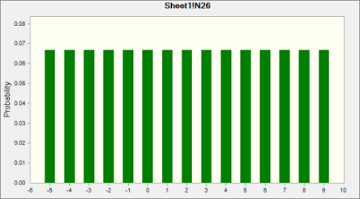
 | Discrete Uniform distribution with parameters:
 |  | Minimum |  | -5
 |  | Maximum |  | 9

Assumption: N27 |  |  |  |  |  |  | Cell: N27


 | Discrete Uniform distribution with parameters:
 |  | Minimum |  | -4
 |  | Maximum |  | 12

Assumption: N28 |  |  |  |  |  |  | Cell: N28


 | Discrete Uniform distribution with parameters:
 |  | Minimum |  | -3
 |  | Maximum |  | 15

Assumption: N29 |  |  |  |  |  |  | Cell: N29


 | Discrete Uniform distribution with parameters:
 |  | Minimum |  | -5
 |  | Maximum |  | 11

Assumption: N30 |  |  |  |  |  |  | Cell: N30


 | Discrete Uniform distribution with parameters:
 |  | Minimum |  | -6
 |  | Maximum |  | 18

Assumption: Random Appreciation/Depreciation - 2022 |  |  |  |  |  |  | Cell: C21

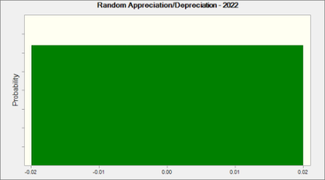
 | Uniform distribution with parameters:
 |  | Minimum |  | -0.02
 |  | Maximum |  | 0.02

Assumption: Random Appreciation/Depreciation - 2023 |  |  |  |  |  |  | Cell: D21


 | Uniform distribution with parameters:
 |  | Minimum |  | -0.02
 |  | Maximum |  | 0.02

Assumption: Random Appreciation/Depreciation - 2024 |  |  |  |  |  |  | Cell: E21


 | Uniform distribution with parameters:
 |  | Minimum |  | -0.02
 |  | Maximum |  | 0.02

Assumption: Random Appreciation/Depreciation - 2025 |  |  |  |  |  |  | Cell: F21


 | Uniform distribution with parameters:
 |  | Minimum |  | -0.02
 |  | Maximum |  | 0.02

Assumption: Random Appreciation/Depreciation - 2026 |  |  |  |  |  |  | Cell: G21

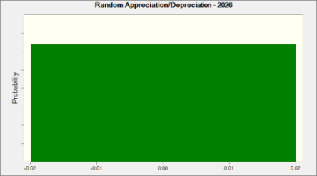
 | Uniform distribution with parameters:
 |  | Minimum |  | -0.02
 |  | Maximum |  | 0.02

Assumption: Random Appreciation/Depreciation - 2027 |  |  |  |  |  |  | Cell: H21

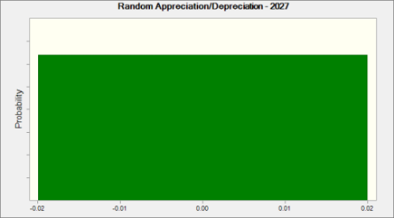
 | Uniform distribution with parameters:
 |  | Minimum |  | -0.02
 |  | Maximum |  | 0.02

Assumption: Random Appreciation/Depreciation - 2028 |  |  |  |  |  |  | Cell: I21


 | Uniform distribution with parameters:
 |  | Minimum |  | -0.02
 |  | Maximum |  | 0.02

Assumption: Random Appreciation/Depreciation - 2029 |  |  |  |  |  |  | Cell: J21


 | Uniform distribution with parameters:
 |  | Minimum |  | -0.02
 |  | Maximum |  | 0.02

Assumption: Random Appreciation/Depreciation - 2030 |  |  |  |  |  |  | Cell: K21


 | Uniform distribution with parameters:
 |  | Minimum |  | -0.02
 |  | Maximum |  | 0.02

Assumption: Random Appreciation/Depreciation - 2031 |  |  |  |  |  |  | Cell: L21


 | Uniform distribution with parameters:
 |  | Minimum |  | -0.02
 |  | Maximum |  | 0.02

Assumption: Random Appreciation/Depreciation - 2032 |  |  |  |  |  |  | Cell: M21


 | Uniform distribution with parameters:
 |  | Minimum |  | -0.02
 |  | Maximum |  | 0.02

Assumption: Random Appreciation/Depreciation - 2033 |  |  |  |  |  |  | Cell: N21


 | Uniform distribution with parameters:
 |  | Minimum |  | -0.02
 |  | Maximum |  | 0.02

Assumption: US Expected Inflation 2022 |  |  |  |  |  |  | Cell: C24

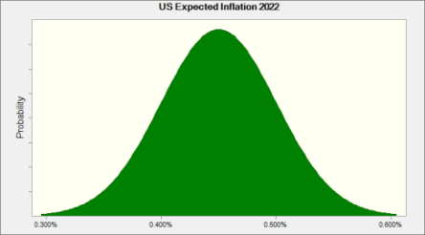
 | Normal distribution with parameters:
 |  | Mean |  | 0.450%
 |  | Std. Dev. |  | 0.050%

 | Correlated with: |  |  |  |  | Coefficient
 |  | Mexican Expected Inflation 2022 (C25) |  |  |  | 0.42
 |  | US Nominal Interest Rate 2022 (C22) |  |  |  | 0.85

Assumption: US Expected Inflation 2023 |  |  |  |  |  |  | Cell: D24


 | Normal distribution with parameters:
 |  | Mean |  | 0.780%
 |  | Std. Dev. |  | 0.110%

Assumption: US Expected Inflation 2023 (cont'd) |  |  |  |  |  |  | Cell: D24

 | Correlated with: |  |  |  |  | Coefficient
 |  | Mexican Expected Inflation 2023 (D25) |  |  |  | 0.42
 |  | US Nominal Interest Rate 2023 (D22) |  |  |  | 0.85

Assumption: US Expected Inflation 2024 |  |  |  |  |  |  | Cell: E24


 | Normal distribution with parameters:
 |  | Mean |  | 1.080%
 |  | Std. Dev. |  | 0.280%

 | Correlated with: |  |  |  |  | Coefficient
 |  | Mexican Expected Inflation 2024 (E25) |  |  |  | 0.42
 |  | US Nominal Interest Rate 2024 (E22) |  |  |  | 0.85

Assumption: US Expected Inflation 2025 |  |  |  |  |  |  | Cell: F24


 | Normal distribution with parameters:
 |  | Mean |  | 1.080%
 |  | Std. Dev. |  | 0.280%

 | Correlated with: |  |  |  |  | Coefficient
 |  | Mexican Expected Inflation 2024 (F25) (F25) |  |  |  | 0.42
 |  | US Nominal Interest Rate 2025 (F22) |  |  |  | 0.85

Assumption: US Expected Inflation 2026 |  |  |  |  |  |  | Cell: G24


 | Normal distribution with parameters:
 |  | Mean |  | 1.080%
 |  | Std. Dev. |  | 0.280%

Assumption: US Expected Inflation 2026 (cont'd) |  |  |  |  |  |  | Cell: G24

 | Correlated with: |  |  |  |  | Coefficient
 |  | Mexican Expected Inflation 2024 (G25) (G25) |  |  |  | 0.42
 |  | US Nominal Interest Rate 2026 (G22) |  |  |  | 0.85

Assumption: US Expected Inflation 2027 |  |  |  |  |  |  | Cell: H24


 | Normal distribution with parameters:
 |  | Mean |  | 1.080%
 |  | Std. Dev. |  | 0.280%

 | Correlated with: |  |  |  |  | Coefficient
 |  | US Nominal Interest Rate 2027 (H22) |  |  |  | 0.85
 |  | Mexican Expected Inflation 2024 (H25) (H25) |  |  |  | 0.42

Assumption: US Expected Inflation 2028 |  |  |  |  |  |  | Cell: I24


 | Normal distribution with parameters:
 |  | Mean |  | 1.080%
 |  | Std. Dev. |  | 0.280%

 | Correlated with: |  |  |  |  | Coefficient
 |  | US Nominal Interest Rate 2028 (I22) |  |  |  | 0.85
 |  | Mexican Expected Inflation 2024 (I25) (I25) |  |  |  | 0.42

Assumption: US Expected Inflation 2029 |  |  |  |  |  |  | Cell: J24


 | Normal distribution with parameters:
 |  | Mean |  | 1.080%
 |  | Std. Dev. |  | 0.280%

Assumption: US Expected Inflation 2029 (cont'd) |  |  |  |  |  |  | Cell: J24

 | Correlated with: |  |  |  |  | Coefficient
 |  | Mexican Expected Inflation 2024 (J25) (J25) |  |  |  | 0.42
 |  | US Nominal Interest Rate 2029 (J22) |  |  |  | 0.85

Assumption: US Expected Inflation 2030 |  |  |  |  |  |  | Cell: K24


 | Normal distribution with parameters:
 |  | Mean |  | 1.080%
 |  | Std. Dev. |  | 0.280%

 | Correlated with: |  |  |  |  | Coefficient
 |  | Mexican Expected Inflation 2024 (K25) (K25) |  |  |  | 0.42
 |  | US Nominal Interest Rate 2030 (K22) |  |  |  | 0.85

Assumption: US Expected Inflation 2031 |  |  |  |  |  |  | Cell: L24


 | Normal distribution with parameters:
 |  | Mean |  | 1.080%
 |  | Std. Dev. |  | 0.280%

 | Correlated with: |  |  |  |  | Coefficient
 |  | US Nominal Interest Rate 2031 (L22) |  |  |  | 0.85
 |  | Mexican Expected Inflation 2024 (L25) (L25) |  |  |  | 0.42

Assumption: US Expected Inflation 2032 |  |  |  |  |  |  | Cell: M24


 | Normal distribution with parameters:
 |  | Mean |  | 1.080%
 |  | Std. Dev. |  | 0.280%

Assumption: US Expected Inflation 2032 (cont'd) |  |  |  |  |  |  | Cell: M24

 | Correlated with: |  |  |  |  | Coefficient
 |  | Mexican Expected Inflation 2024 (M25) (M25) |  |  |  | 0.42
 |  | US Nominal Interest Rate 2032 (M22) |  |  |  | 0.85

Assumption: US Expected Inflation 2033 |  |  |  |  |  |  | Cell: N24


 | Normal distribution with parameters:
 |  | Mean |  | 1.080%
 |  | Std. Dev. |  | 0.280%

 | Correlated with: |  |  |  |  | Coefficient
 |  | US Nominal Interest Rate 2033 (N22) |  |  |  | 0.85
 |  | Mexican Expected Inflation 2024 (N25) (N25) |  |  |  | 0.42

Assumption: US Nominal Interest Rate 2022 |  |  |  |  |  |  | Cell: C22

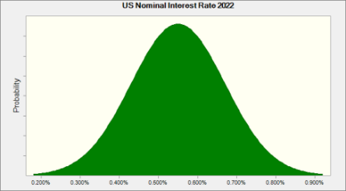
 | Normal distribution with parameters:
 |  | Mean |  | 0.550%
 |  | Std. Dev. |  | 0.120%

 | Correlated with: |  |  |  |  | Coefficient
 |  | US Expected Inflation 2022 (C24) |  |  |  | 0.85

Assumption: US Nominal Interest Rate 2023 |  |  |  |  |  |  | Cell: D22


 | Normal distribution with parameters:
 |  | Mean |  | 0.850%
 |  | Std. Dev. |  | 0.250%

Assumption: US Nominal Interest Rate 2023 (cont'd) |  |  |  |  |  |  | Cell: D22

 | Correlated with: |  |  |  |  | Coefficient
 |  | US Expected Inflation 2023 (D24) |  |  |  | 0.85

Assumption: US Nominal Interest Rate 2024 |  |  |  |  |  |  | Cell: E22


 | Normal distribution with parameters:
 |  | Mean |  | 1.200%
 |  | Std. Dev. |  | 0.350%

 | Correlated with: |  |  |  |  | Coefficient
 |  | US Expected Inflation 2024 (E24) |  |  |  | 0.85

Assumption: US Nominal Interest Rate 2025 |  |  |  |  |  |  | Cell: F22


 | Normal distribution with parameters:
 |  | Mean |  | 1.200%
 |  | Std. Dev. |  | 0.350%

 | Correlated with: |  |  |  |  | Coefficient
 |  | US Expected Inflation 2025 (F24) |  |  |  | 0.85

Assumption: US Nominal Interest Rate 2026 |  |  |  |  |  |  | Cell: G22


 | Normal distribution with parameters:
 |  | Mean |  | 1.200%
 |  | Std. Dev. |  | 0.350%

 | Correlated with: |  |  |  |  | Coefficient
 |  | US Expected Inflation 2026 (G24) |  |  |  | 0.85

Assumption: US Nominal Interest Rate 2027 |  |  |  |  |  |  | Cell: H22


 | Normal distribution with parameters:
 |  | Mean |  | 1.200%
 |  | Std. Dev. |  | 0.350%

 | Correlated with: |  |  |  |  | Coefficient
 |  | US Expected Inflation 2027 (H24) |  |  |  | 0.85

Assumption: US Nominal Interest Rate 2028 |  |  |  |  |  |  | Cell: I22


 | Normal distribution with parameters:
 |  | Mean |  | 1.200%
 |  | Std. Dev. |  | 0.350%

 | Correlated with: |  |  |  |  | Coefficient
 |  | US Expected Inflation 2028 (I24) |  |  |  | 0.85

Assumption: US Nominal Interest Rate 2029 |  |  |  |  |  |  | Cell: J22


 | Normal distribution with parameters:
 |  | Mean |  | 1.200%
 |  | Std. Dev. |  | 0.350%

 | Correlated with: |  |  |  |  | Coefficient
 |  | US Expected Inflation 2029 (J24) |  |  |  | 0.85

Assumption: US Nominal Interest Rate 2030 |  |  |  |  |  |  | Cell: K22


 | Normal distribution with parameters:
 |  | Mean |  | 1.200%
 |  | Std. Dev. |  | 0.350%

 | Correlated with: |  |  |  |  | Coefficient
 |  | US Expected Inflation 2030 (K24) |  |  |  | 0.85

Assumption: US Nominal Interest Rate 2031 |  |  |  |  |  |  | Cell: L22


 | Normal distribution with parameters:
 |  | Mean |  | 1.200%
 |  | Std. Dev. |  | 0.350%

 | Correlated with: |  |  |  |  | Coefficient
 |  | US Expected Inflation 2031 (L24) |  |  |  | 0.85

Assumption: US Nominal Interest Rate 2032 |  |  |  |  |  |  | Cell: M22


 | Normal distribution with parameters:
 |  | Mean |  | 1.200%
 |  | Std. Dev. |  | 0.350%

 | Correlated with: |  |  |  |  | Coefficient
 |  | US Expected Inflation 2032 (M24) |  |  |  | 0.85

Assumption: US Nominal Interest Rate 2033 |  |  |  |  |  |  | Cell: N22


 | Normal distribution with parameters:
 |  | Mean |  | 1.200%
 |  | Std. Dev. |  | 0.350%

 | Correlated with: |  |  |  |  | Coefficient
 |  | US Expected Inflation 2033 (N24) |  |  |  | 0.85

Assumption: Variable Costs |  |  |  |  |  |  | Cell: D13


 | Normal distribution with parameters:
 |  | Mean |  | 40%
 |  | Std. Dev. |  | 5%

End of Assumptions
 |  |  |  |  | Sensitivity Charts

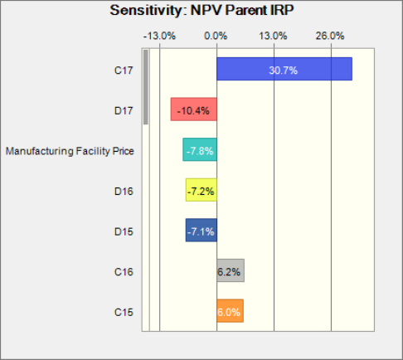

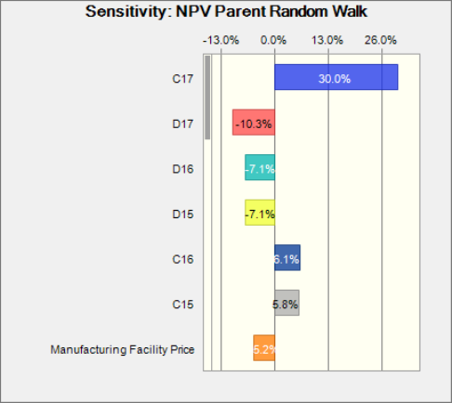

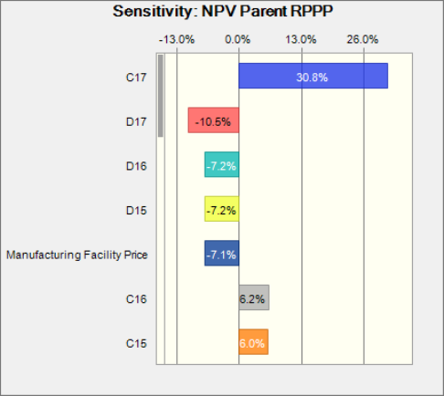

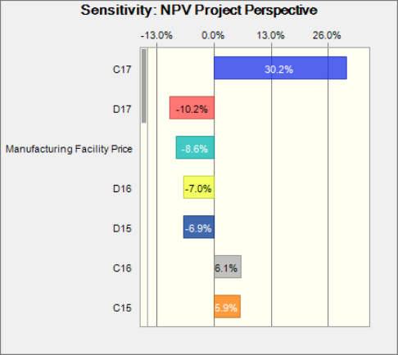



End of Sensitivity Charts

